Complete TP
Delivery Centers in the Philippines

Training Dimension
Application Test |  |  |  |  |  | TEST SCRIPT

Script Pre-requisites:

Pre-requisite Steps
Step No. | Action | Expected Result
1 | Choose an end point | The application started based on the chosen end point

Script Execution: (20 cases)
Test Scenario | Step # | Action / Description | Expected Result | Actual Results | Pass/Fail | Comments
 | S1.1 | Catch Files that are not supported by the system | it will display a system message “File is not supported for processing”. | 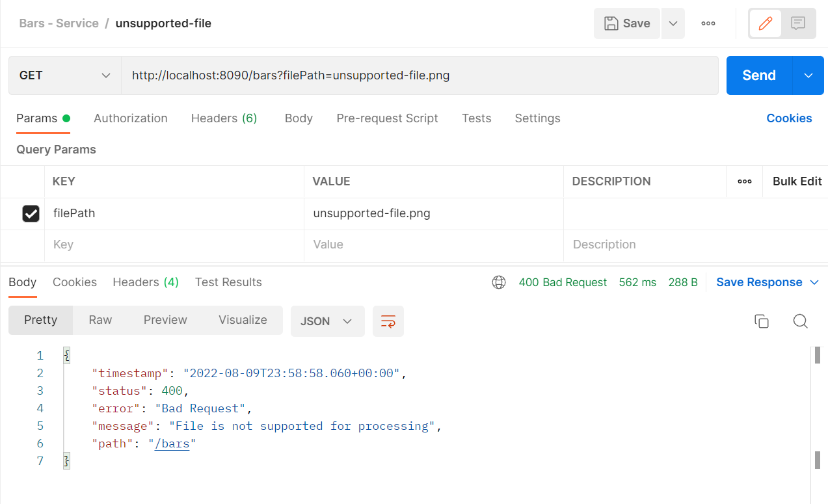 | Pass
S2 - Processing Text Input File | S2.1 | Validate Start Date format | 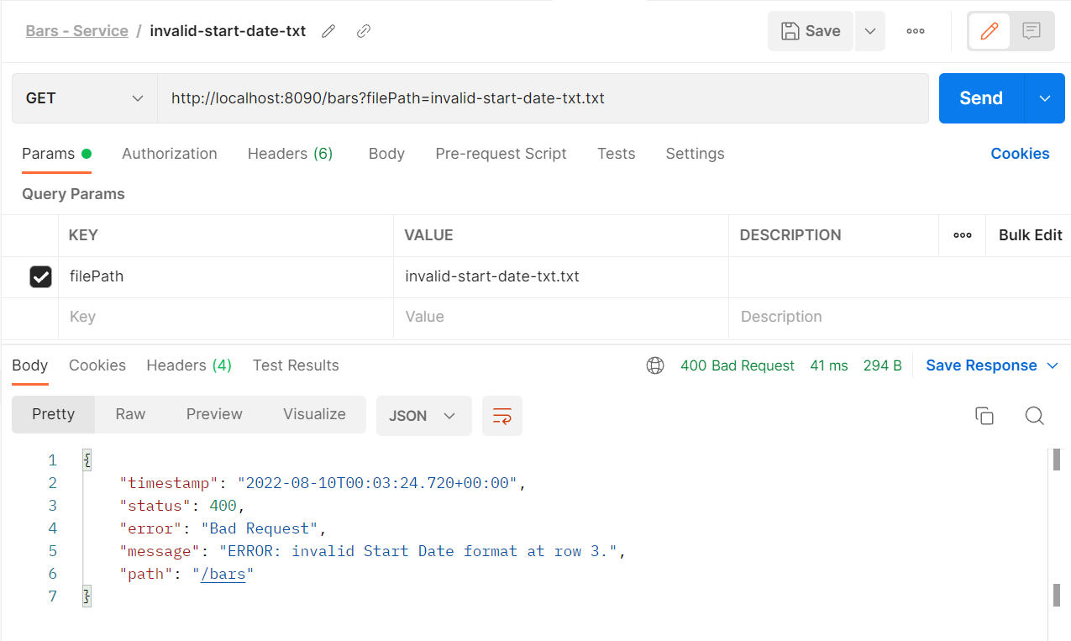 If Start Date is invalid, display error message “Invalid Start Date format at row <RowNumber>." Ex. ERROR: Invalid Start Date format at row 32. |  | Pass
 | S2.2 | Validate End Date format | 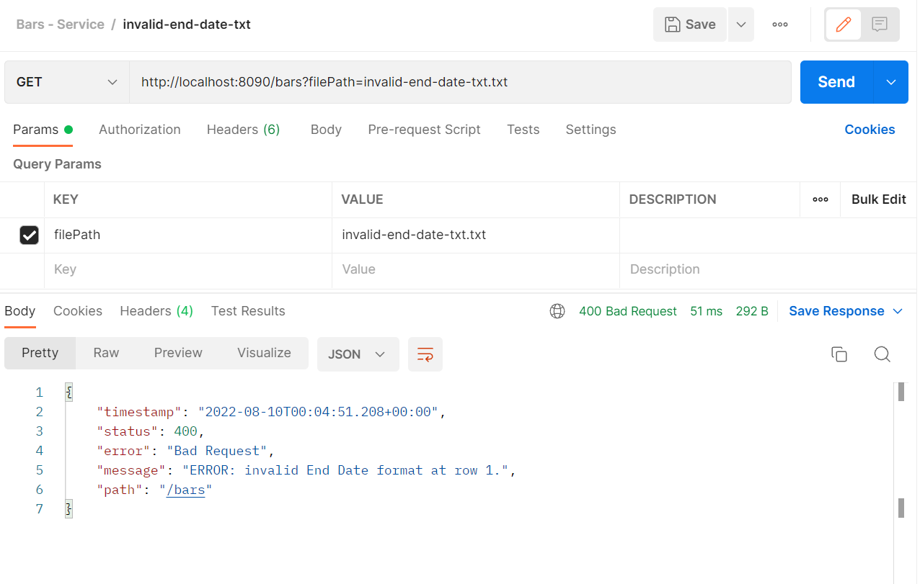 If End Date is invalid, display error message Invalid End Date format at row <RowNumber>." Ex. ERROR: Invalid End Date format at row 32. |  | Pass
 | S2.3 | Validate Billing Cycle | If Billing Cycle is not on range, display error message "Billing Cycle not on range at row <RowNumber>." Ex. ERROR: Billing Cycle not on range at row 32. |  | Pass
 | S2.4 | Validate number or Requests to read. | If the file contains no request(s) (empty file), display an information message: “No request(s) to read from the input file.” |  | Pass
 | S2.5 | Validate number of Records to write. | If there are no resulting record(s) from the database (empty result set), display an information message: “No record(s) to write to the output file.” | 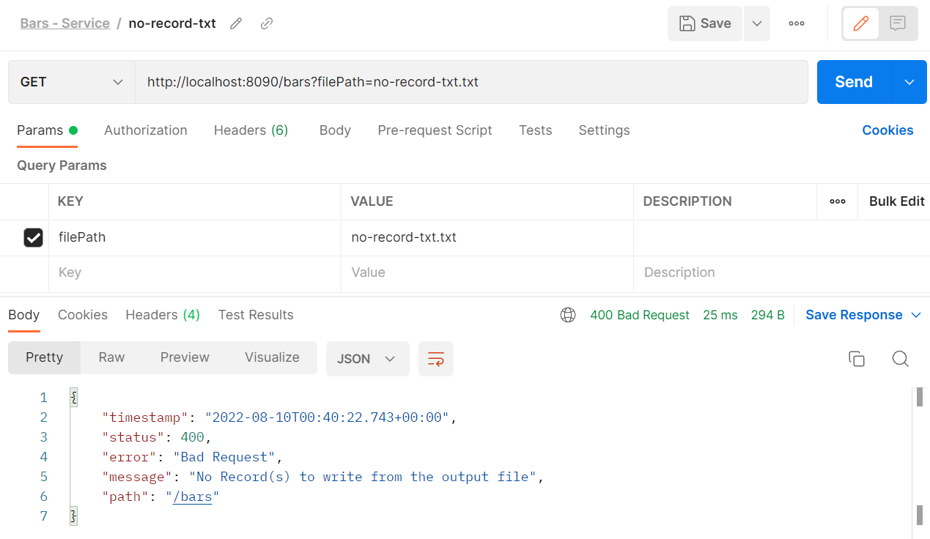 | Pass
 | S2.6 | Display records | Display records by searching the following fields in the database based on the uploaded request parameters. o Billing Cycle o Billing Start Date o Billing End Date o Account Name o Customer First Name o Customer Last Name o Amount | 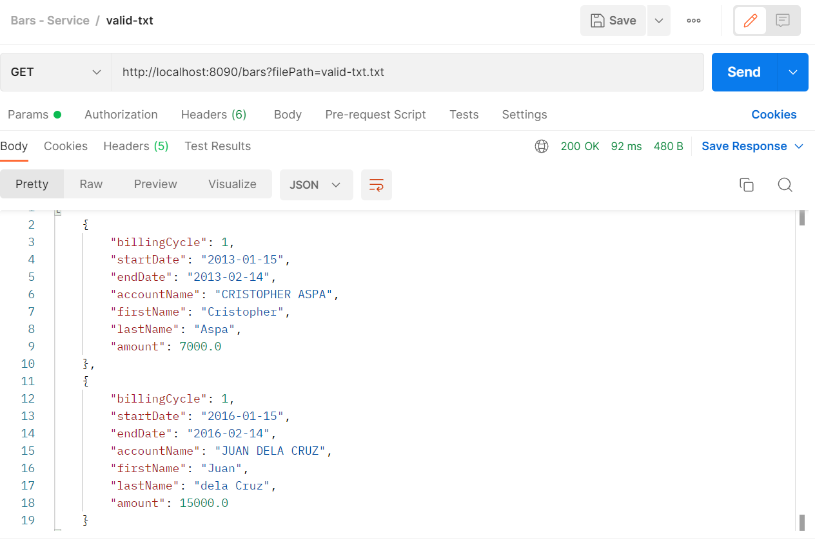 | Pass
S3 - Processing CSV Input File | S3.1 | Validate Start Date format | If Start Date is invalid, display error message “Invalid Start Date format at row <RowNumber>." o Ex. ERROR: Invalid Start Date format at row 32. | 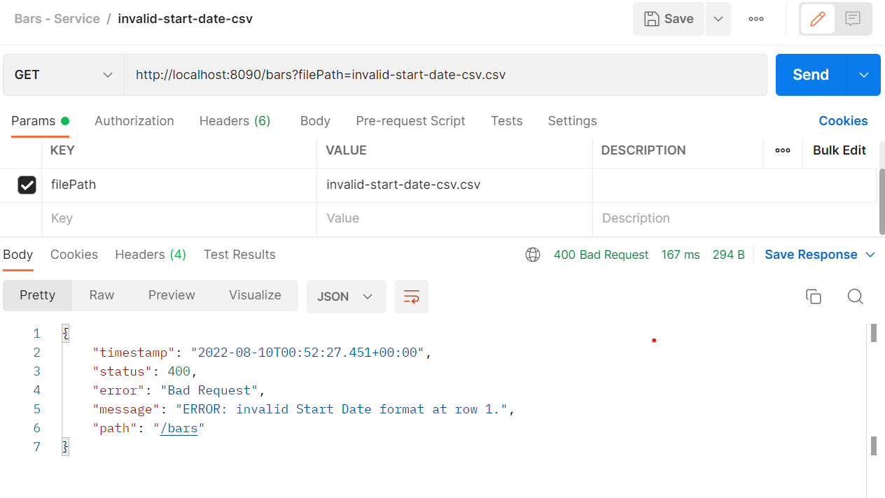 | Pass
 | S3.2 | Validate End Date format | If End Date is invalid, display error message “Invalid End Date format at row <RowNumber>." o Ex. ERROR: Invalid End Date format at row 32. | 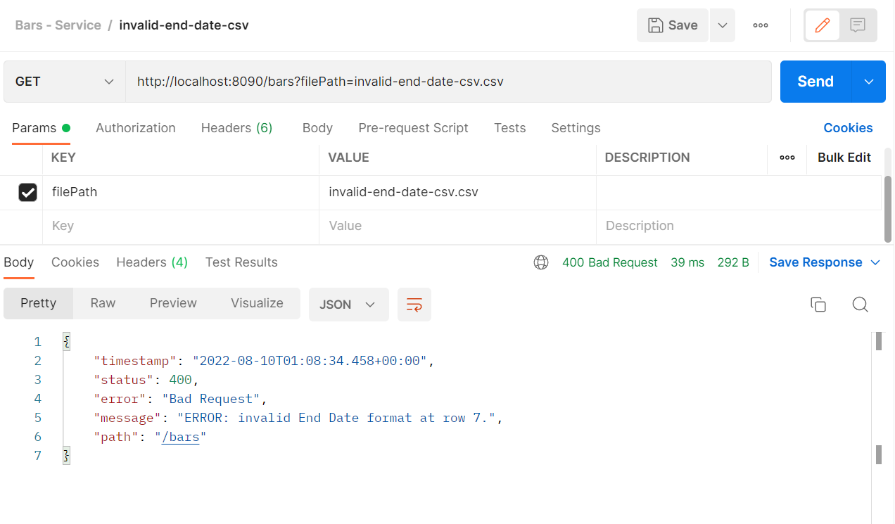 | Pass
 | S3.3 | Validate Billing Cycle | If Billing Cycle is not on range, display error message "Billing Cycle not on range at row <RowNumber>." o Ex. ERROR: Billing Cycle not on range at row 32. |  | Pass
 | S3.4 | Validate number or Requests to read. | If the file contains no request(s) (empty file), display an information message: “No request(s) to read from the input file.” | 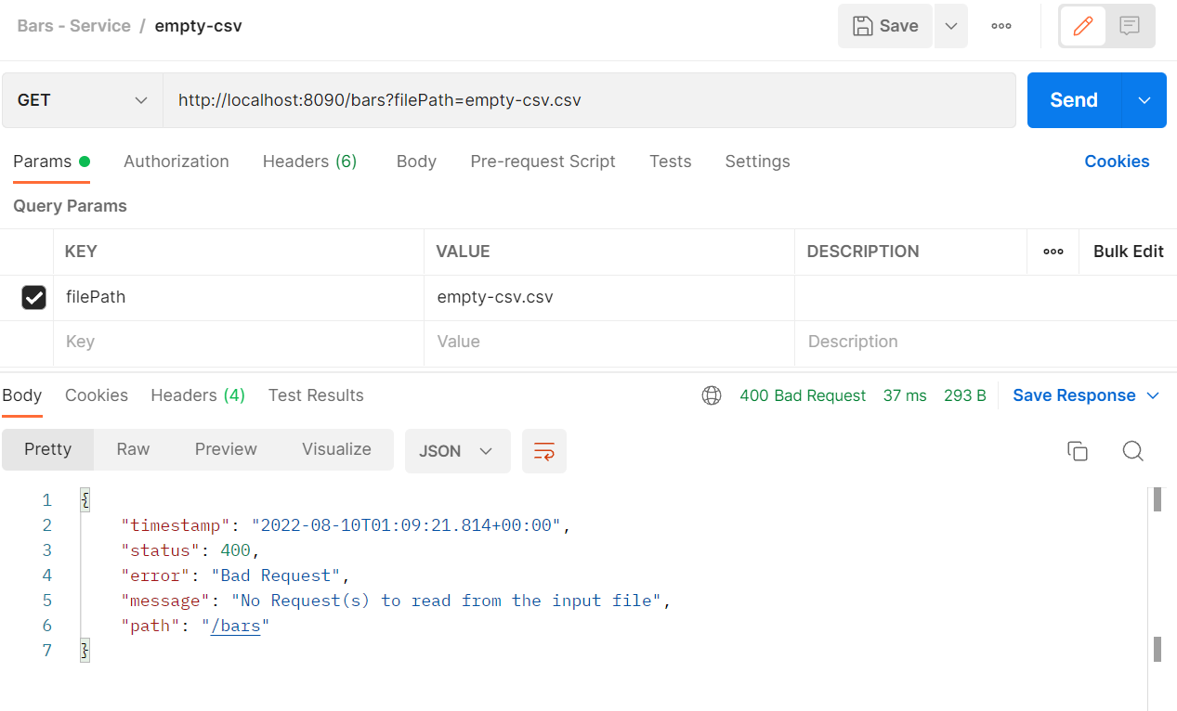 | Pass
 | S3.5 | Validate number of Records to write. | If there are no resulting record(s) from the database (empty result set), display an information message: “No record(s) to write to the output file.” |  | Pass
 | S3.6 | Display records | Display records by searching the following fields in the database based on the uploaded request parameters. o Billing Cycle o Billing Start Date o Billing End Date o Account Name o Customer First Name o Customer Last Name o Amount | 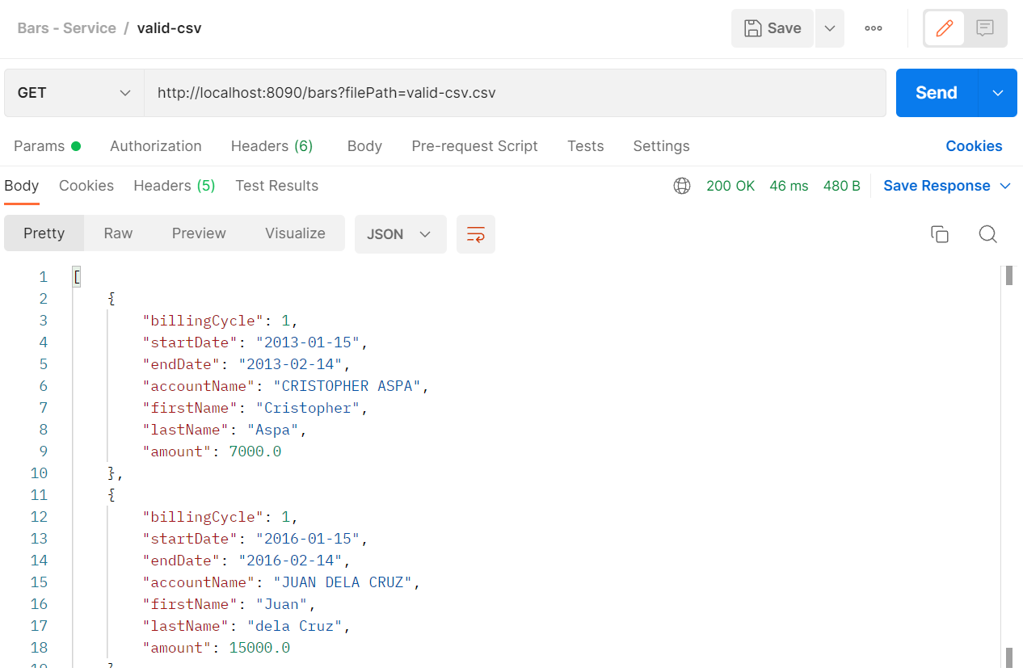 | Pass

Summary
No. of Passed Scenarios | 13
No. of Failed Scenarios | 0

